Main
Recipe |  |  | Reality |  |  |  | 1 | Enter recipe
Total dry weight | 2300 kg |  | Total dry weight | 2212 kg | Moisture after error correction | Water in Aggregates |  | Water cement ratio and total dry batch weight will be calculated.

Sand 0-2 | 800 kg |  | Sand 0-2 | 751 kg | 6.5% | 49 Ltr | 2 | Enter the number of batches made per day
Sand 0-4 | 500 kg |  | Sand 0-4 | 474 kg | 5.5% | 26 Ltr |  | Optional Batch Calculator may be used
Agg 8-16 | 650 kg |  | Agg 8-16 | 637 kg | 2.0% | 13 Ltr
Cement | 350 kg |  | Cement | 350 kg | 0.0% | 0 Ltr | 3 | Enter the cost of cement per tonne
Add. Water | 135 Ltr |  | Add. Water | 47 Ltr |  | 88 Ltr |  | lower part of screen

W/C Ratio | 0.39 |  | W/C Ratio | 0.39 | W/C ratio will only remain the the same (0.39) if only 47Ltrs of water are added |  | 4 | Enter or adjust moisture levels in materials
 |  |  |  |  |  |  |  | see Note 2 * (cell B65)
Batches per day | 120 |  | Currency | £
Cement price / t | 80 |  |  |  |  |  | 5 | Enter currency (Optional)

[OPTIONAL] Batch Calculator, to assist you in calculating the number of batches made per day
time per batch /min | 15.0 | = 8 | ...batches per day - enter this figure into cell C13
hrs per day | 2.0
 |  |  |  |  |  |  | 6 | Read : Describes impact of moisture variation
Too much water in the recipe or mixer means wasted cement and poor quality products
According to the recipe entered (in green), 135 litres of total water will give a total moisture of 5.9%, a water/cement (w/c) ratio of 0.39.
If 135 litres are added to the current batch (shown in red) the total moisture will be 10.06% and the w/c ratio will be 0.64.

The effects on strength can be seen in fig1., a small change in water/cement ratio has a dramatic effect on strength. |  |  |  |  |  |  | fig.1 | W/C Ratio to Strength

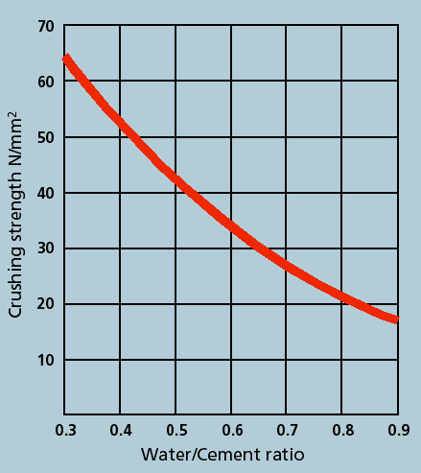
In order to maintain the correct w/c ratio only 47 litres of water should be added, not the orginal 135 litres.

If the water is reduced to maintain quality this is an inefficient use of cement (underyielding), 350kg of cement are used to make only 2212kg of concrete instead of your intended 2300kg.

SAVINGS to be made by using the Hydro-Probe

Using current data:- |  |  |  | 16 kg | kg of cement are wasted each batch
This equates to:- |  |  |  | 377.52 | tonnes per year

The value of wasted cement per year is:- |  |  | £ | 30201.31
% of wasted cement without moisture compensation:- |  |  |  | 4.49%
Without moisture compensation you are under yielding by:- |  |  |  | 3.81%
By correcting for moisture on-the-fly yield would increase by:- |  |  |  | 88 kg | per batch

Effect of a Mixer System / Precast Producers
If you were to use the Hydro-Control mixer system, the w/c ratio would be automatically corrected and would remain at 0.39 but you would not be maximising the use of your cement resulting in 'underyielding'.
Precast producers may achieve the correct w/c ratio and consistency (workability) using a the Hydro-Control mixer system but require Hydro-Probe sensors measuring in the weighed materials to maximise the yield for the amount of cement used. Ready-mix producers can maintain quality and maximise yield using the Hydro-Probe sensors in the weighed materials.

Where colour is used, a consistent yield ensures a consistent and repeatable colour of the product.

Effects on Ready-Mix Producers
Ready-Mix producers will lose money on cement (under yield) OR be selling substandard product. Moisture measurement will save you money.

Wasted Cement Calculations
350kg Cement on…………... |  | 1950 kg | total Aggregates |  | (Recipe)
350kg Cement on…………... |  | 1862 kg | total Aggregates |  | (Reality)
% of wasted cement…….. |  | 0 kg
Waste of cement p/batch…. |  | 16 kg

Waste of cement |  |  |  | Cement price / t | £ | 80.00
per batch | 16 kg | = | 0.02 t | £ | 1.26
per day | 1888 kg | = | 1.89 t | £ | 151.01
per week | 9438 kg | = | 9.44 t | £ | 755.03
per month | 37752 kg | = | 37.75 t | £ | 3,020.13
per year (40 W) | 377516 kg | = | 377.52 t | £ | 30,201.31

Notes
Note 1: All calculations are based on dry weight calculations for moisture percentages. See Notes Worksheet.
Note 2: The default moisture values (in red) are :- Sand 0-2mm, 6.5%; Sand 0-4mm, 5.5% and Aggregate 8-16mm, 2%. Cement will always be dry, 0%. These represent the actual moisture% of the weighed material. The cement saving calculated by the spreadsheet assumes that no correction or adjustment has been made for moisture. It assumes the full error of 6.5%, 5.5% and 2% respectively. In practice some adjustment is usually made, either a manual estimate, or a moisture% taken using less accurate equipment such as capacitive or resistive sensors, analogue microwave systems or an off-line gauge or laboratory test. For example, if an estimate of 5% is used for sand 0-2mm and the actual is 6.5%, this would mean that the actual error in practice is only 1.5%. To obtain a more realistic measure of the cost saving just enter the ‘difference’ between the estimated and the actual that is applicable to your application.
This also works for over-compensation of water. For example:- In order to ensure that the concrete remains within specification some plants (without accurate moisture measurement) have to over-compensate for water in the materials (overweighing the materials and adding too much cement to ensure a minimum yield and a minimum strength). One such site was found to be using a fixed moisture correction of 8% for the 0-2mm sand. In practice the sand moisture% was around 6.8%. In this case 1.2% difference could be entered in to the spreadsheet to calculate the cement over use-age. In practice a Hydronix Hydro-Probe should be calibrated to within +/-0.2% moisture. In many cases the sensors are more reliable, repeatable and accurate than the equipment used to calibrate them.
Note 3: All default data was collected from an end user customer conference with about 70 attendees in Germany, 2006.
Note 4: Spreadsheet design in metric.
Note 5: Increasing efficiency of cement (increasing yield) will require the addition of more materials, the cost of materials are not incorporated in this spreadsheet.

Download this and other useful tools at :-
https://www.hydronix.com/

